BSC_2026
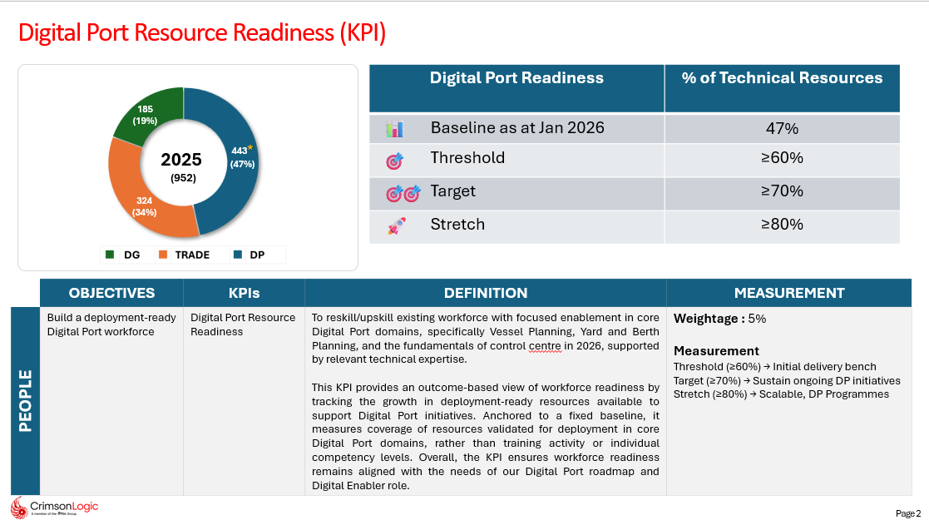
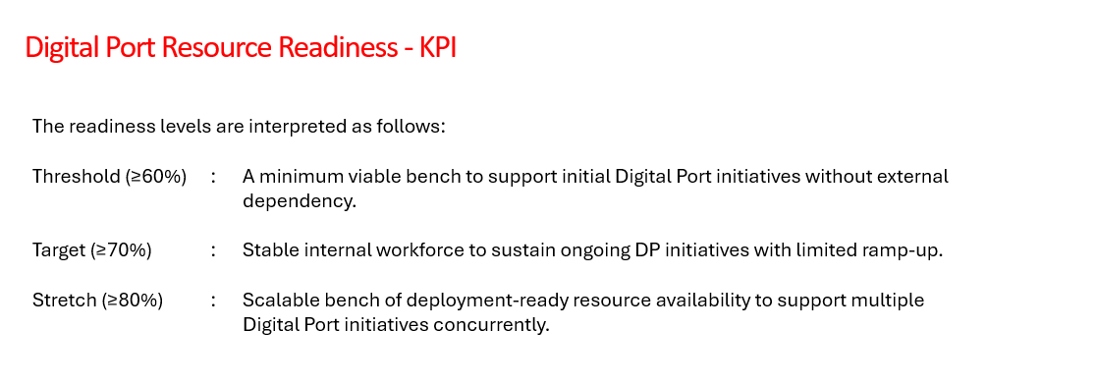
 |  | KPIS | WEIGHTAGE |  | THRESHOLD | TARGET | STRETCH | KPI | THRESHOLD | How to Achieve? | TARGET | How to Achieve? | STRETCH | How to Achieve?
 |  |  | MAIN | SUB
FINANCIAL |  | Group Revenue | 30% | 12.50% | ≥ $178.0M | ≥ $183.0M | ≥ $188.0M | Technical Training, Competency Development & Workforce Readiness | • Conduct technology competency training programs aligned with business and project needs. • Maintain training content for key technology stacks and ensure training records are updated to track employee and fresher competency progress. • Adapt training content and delivery methods to changing business requirements and learning environments. • Deliver training on ≥70% of planned technology competencies required for business and project needs. • Achieve an average training feedback score of ≥3.75. | • Prepare a quarterly technology training plan aligned with business, project, and PSA requirements. • Identify required technology competencies through discussions with Project Managers, Delivery Teams, and competency assessments. • Develop and update training materials, hands-on exercises, case studies, and assessment questionnaires for key technology stacks. • Conduct scheduled training sessions on technologies such as Angular, Spring Boot, Cloud, AI/GenAI, PSA technologies, and project-specific skills. • Maintain training records, attendance, assessment results, and feedback reports to track employee and fresher competency progress. • Review learner feedback after each session and update content, examples, and delivery methods based on identified improvement areas. • Adapt training schedules, learning paths, and delivery approaches to support changing project priorities and business requirements. • Track planned versus completed technology training coverage and ensure training is delivered for at least 70% of planned technology competencies. • Monitor training feedback scores and continuously improve content and delivery to maintain an average feedback score of ≥ 3.75. | • Deliver structured learning paths, competency assessments, and milestone-based training programs. • Expand training coverage across Angular, Spring Boot, Cloud, AI/GenAI, PSA technologies, and other strategic technology stacks. • Conduct training programs covering ≥80% of planned technology competencies, project-specific skills, and strategic technology areas. • Support project demands through targeted upskilling initiatives and emerging technology enablement. • Improve employee competency and project readiness through continuous learning and assessment-driven development. | • Develop structured learning paths for Angular, Spring Boot, Cloud, AI/GenAI, PSA technologies, and other project-relevant technology stacks. • Conduct competency assessments to identify skill gaps and create targeted learning plans. • Design milestone-based training programs with hands-on exercises, case studies, coding assignments, and practical assessments. • Coordinate with Project Managers and Delivery Teams to identify project-specific skill requirements and prioritize training needs. • Expand training coverage by introducing new technology modules and updating existing content based on business and project demands. • Conduct targeted upskilling sessions to address immediate project requirements and resource readiness needs. • Monitor technology competency coverage against the annual training plan and ensure at least 80% of planned technology competencies are covered. • Track assessment results and learner progress to identify improvement areas and provide focused coaching. • Continuously enhance training content and delivery methods based on learner feedback, assessment outcomes, and emerging technology trends. • Support employee readiness for project assignments through competency-based learning and practical exercises. | • Learn and deliver training on emerging technologies aligned with future business opportunities and project requirements. • Conduct training programs covering ≥90% of planned technology competencies, including project-specific skills and strategic technology areas. • Launch specialized training tracks aligned with AI/GenAI, Cloud, PSA technologies, and future business needs. • Improve competency assessment scores and project readiness across teams through structured learning and assessments. • Build technical readiness for critical project roles and PSA initiatives. • Proactively identify future skill requirements and align training programs with organizational growth and business needs. | • Create structured learning paths and milestone assessments to evaluate technical competency development. • Conduct structured training programs covering technology fundamentals, coding standards, quality practices, and project-specific skills. • Assign coding exercises, case studies, mini-projects, and milestone projects to evaluate practical understanding. • Conduct periodic assessments after each milestone to measure learning progress and competency improvement. • Analyze assessment results to identify individual learning gaps and areas requiring additional support. • Provide one-on-one mentoring and personalized coaching sessions for freshers who require additional guidance. • Collaborate with Project Managers and technical reviewers to evaluate milestone projects and obtain constructive feedback. • Incorporate project review feedback into subsequent training milestones and learning activities. • Track fresher competency readiness through assessment scores, project evaluations, and milestone completion status. • Conduct domain-focused sessions and practical exercises to improve Digital Port domain understanding and project readiness.
 |  | Group Operating Profit |  | 12.50% | ≥ $9.2M | ≥ $10.5M | ≥ $11.6M
 |  | Days of Sales Outstanding (DSO) |  | 5% | ≤ 62 | ≤ 60 | ≤ 58

PORTFOLIO |  | Increase in PSA Full Time Equivalent (FTE) Resource Consumption for Domain 1 | 25% | 10% | ≥ 110% of | ≥ 120% of | ≥ 130% of | Fresher Development & Project Readiness | • Successfully onboard freshers and deliver foundational technology training. • Conduct pre- and post-training assessments and maintain milestone tracking. • Achieve ≥70% fresher competency readiness through structured learning and assessments. • Ensure completion of planned milestone projects and case-study evaluations. • Training freshers to Digital Port business processes, workflows, and project fundamentals. | • Design and execute a structured onboarding program covering organizational processes, coding standards, quality practices, and foundational technologies. • Conduct pre-training assessments to evaluate the initial technical competency of freshers and identify learning gaps. • Prepare milestone-based learning plans with clear objectives, assignments, case studies, and project exercises. • Deliver foundational technology training on the required technology stack and Digital Port/domain fundamentals. • Conduct regular milestone reviews and post-training assessments to measure learning progress. • Maintain training records, assessment results, and milestone tracking reports for each fresher. • Provide mentoring, coaching, and feedback to address learning gaps and improve technical competency. • Collaborate with Project Managers and senior team members to review milestone projects and incorporate feedback into training activities. • Monitor competency progress and ensure freshers achieve ≥70% competency readiness through structured learning and assessments. | • Improve project readiness through milestone-based learning, mentoring, and structured assessments. • Achieve ≥85% assessment pass rate and competency readiness. • Provide personalized coaching to address learning gaps and improve performance. • Collaborate with Project Managers to evaluate milestone projects and incorporate feedback into training plans. • Enhance Digital Port domain understanding through case studies, project simulations, and knowledge-sharing sessions. | • Conduct project readiness assessments to identify skill gaps and define competency requirements. • Implement milestone-based learning plans with structured training, hands-on exercises, mentoring, and project simulations. • Monitor learner progress through periodic assessments, mock interviews, and competency tracking to ensure ≥85% readiness. • Provide personalized coaching, targeted improvement plans, and continuous feedback to address learning gaps and enhance performance. | • Enable ≥95% fresher competency readiness through structured learning paths, assessments, and coaching initiatives. • Establish a scalable fresher development and competency framework. • Develop project-ready resources capable of contributing with minimal supervision. • Improve Digital Port domain readiness through advanced domain-focused learning, assessments, and practical project-based exercises. | • Design and implement structured learning paths with defined milestones, competency benchmarks, and assessment criteria. • Conduct advanced technical training, hands-on workshops, coding assignments, mini-projects, and capstone projects aligned with business and project requirements. • Implement periodic assessments, project simulations, and readiness evaluations to measure competency growth and identify improvement areas. • Provide targeted mentoring, coaching, and personalized development plans to accelerate fresher learning and project readiness. • Deliver Digital Port domain training through case studies, business process walkthroughs, practical exercises, and project-based learning. • Track competency readiness, assessment results, project evaluations, and learner feedback through dashboards and continuously improve training effectiveness.
 |  |  |  |  | 57,984 Man Days | 57,984 Man Days | 57,984 Man Days
 |  |  |  |  | (63,782 MD) | (69,581 MD) | (75,379 MD)
 |  | Achieve Products & Capabilities Roadmap* |  | 10% | Complete 10 | Complete 12 | Complete 14
 |  | Total Trade Operationalization |  | 5% | Roll out TG + TB in 1 market | Roll out TG + TB in 2 markets | Roll out TG + TB in 3 markets

PROCESS |  | % of Key Development Projects on Schedule | 25% | 7.50% | ≥ 75% | ≥ 85% | ≥ 95% | Training Effectiveness, Process Excellence & Stakeholder Collaboration | • Maintain training schedules, records, assessment reports, and learning materials. • Conduct training evaluations and measure learning outcomes. • Support HR in preparing and executing training calendars. • Ensure training completion, assessment, and feedback records are maintained and reported. • Support Digital Port domain knowledge sharing and learning initiatives for freshers and employees. • Encourage employees to participate in Digital Port domain awareness sessions. | Prepare and maintain annual, quarterly, and monthly training calendars in coordination with HR and business stakeholders. Maintain updated training records, attendance details, assessment reports, feedback reports, and learning materials in a centralized repository. Conduct pre-training and post-training assessments to measure learning effectiveness and competency improvement. Collect and analyze training feedback after each session to identify improvement opportunities. Generate periodic training status reports and dashboards to track training completion, assessments, and learner progress. Coordinate with HR to schedule training programs, communicate training plans, and ensure smooth execution. Maintain assessment, feedback, and learning outcome records for all planned training programs. Support Digital Port domain knowledge initiatives by maintaining domain learning materials, assessments, and knowledge-sharing resources. Track Digital Port domain learning progress and document competency outcomes for reporting and continuous improvement. | • Establish training effectiveness metrics and competency assessment frameworks. • Analyze learner feedback, assessment results, and learning outcomes to identify improvement opportunities. • Maintain reusable learning assets, knowledge repositories, and assessment dashboards. • Collaborate with Project Managers and stakeholders to align training plans with project and business requirements. • Conduct Digital Port domain knowledge-sharing sessions and mentoring activities. • Collaborate with SMEs and Project Managers to identify domain learning needs and readiness gaps. • Support employee competency development in Digital Port business processes and workflows. | • Define and implement training effectiveness metrics, competency assessment criteria, and learning outcome measurement standards. • Conduct pre-training and post-training assessments to evaluate knowledge improvement and competency development. • Analyze learner feedback, assessment results, and training performance reports to identify gaps and implement improvement actions. • Develop and maintain centralized repositories for learning materials, assessment questionnaires, training recordings, and knowledge assets. | • Implement data-driven training improvement processes and measure training impact. • Standardize learning paths, assessments, and project readiness metrics across the organization. • Develop a scalable competency management framework aligned with future business needs. • Proactively recommend process improvements based on training effectiveness, assessment trends, stakeholder feedback, and learning outcomes. • Analyze domain assessment results and recommend improvements to strengthen Digital Port domain readiness.
 |  | SLA Targets for Key Maintenance Projects |  | 5% | ≥ 75% | ≥ 95% | ≥ 99%
 |  | Implementation Quality (Defect Removal Efficiency) |  | 5% | ≥ 75% | ≥ 85% | ≥ 90%
 |  | Billable Utilization |  | 7.50% | ≥ 76% | ≥ 78% | ≥ 80%

PEOPLE |  | Regrettable Attrition | 20% | 5% | ≤ 12.5% | ≤ 10%​ | ≤ 7.5% | People Development, Mentoring & Engagement | • Foster effective communication and collaboration during training programs. • Provide timely feedback, guidance, and support to trainees. • Mentor freshers and employees on technical skills, coding standards, and organizational practices. • Participate in employee engagement activities and support learning and collaboration initiatives. • Maintain Digital Port domain learning materials, assessments, and training records. • Track participation and learning outcomes for domain-related training programs. | • Foster an interactive and collaborative learning environment during training sessions through discussions, Q&A sessions, and hands-on activities. • Provide timely feedback on assessments, assignments, milestone projects, and case studies to help learners improve their technical skills. • Conduct regular mentoring sessions for freshers and employees on coding standards, development best practices, quality guidelines, and organizational expectations. • Support learners in resolving technical challenges and addressing competency gaps through coaching and guidance. • Share project experiences, technical best practices, and lessons learned during training and mentoring sessions. • Collaborate with Project Managers, SMEs, and team members to provide relevant technical and domain guidance. • Participate in employee engagement activities and support learning, collaboration, and knowledge-sharing initiatives across teams. • Encourage continuous learning and professional development through mentoring and technical discussions. | • Conduct regular knowledge-sharing and mentoring sessions to improve employee competency. • Collaborate with Project Managers, stakeholders, and SMEs to identify skill gaps and development needs. • Support employee upskilling initiatives aligned with business requirements. • Promote continuous learning through technical coaching, mentoring, and knowledge-sharing initiatives. • Develop and maintain Digital Port domain learning paths, assessments, and knowledge resources. • Analyze assessment results and feedback to identify domain competency gaps and improvement opportunities. • Collaborate with stakeholders to align domain training content with project requirements. | • Conduct regular knowledge-sharing sessions, technical workshops, and mentoring programs to enhance employee competency and project readiness. • Partner with Project Managers, SMEs, and stakeholders to identify skill gaps, competency requirements, and project-specific learning needs. • Design and deliver targeted upskilling programs aligned with business priorities, project demands, and emerging technologies. • Provide technical coaching, personalized learning plans, and continuous mentoring to support employee growth and career development. • Track learning progress through assessments, feedback, competency evaluations, and development plans to measure improvement. • Foster a continuous learning culture through communities of practice, technical forums, knowledge repositories, and peer-learning initiatives. | • Establish a structured mentoring approach for freshers and junior employees. • Drive knowledge-sharing initiatives across teams and technology areas. • Support employee upskilling initiatives aligned with business requirements. • Contribute to talent bench strength and domain readiness through mentoring, coaching, and capability-building initiatives. • Establish a structured approach for measuring Digital Port domain competency and readiness. • Continuously enhance domain training content based on project feedback, business requirements, and assessment outcomes. • Recommend process improvements to strengthen Digital Port domain knowledge and workforce readiness. | • Design and implement a structured mentoring program with defined learning goals, milestones, and competency development plans for freshers and junior employees. • Conduct regular knowledge-sharing sessions, technical forums, workshops, and cross-team learning initiatives to promote knowledge transfer. • Collaborate with Project Managers, SMEs, and stakeholders to identify skill gaps and deliver targeted upskilling programs aligned with business and project needs. • Provide coaching, mentoring, and career development guidance to improve employee competency, project readiness, and domain knowledge. • Support talent bench development through competency-based learning paths, practical assignments, and readiness assessments. • Track mentoring effectiveness, learning progress, assessment outcomes, and competency improvement through periodic reviews and performance dashboards.
 |  |  |  |  |  |  | ≥ 90% Talent Retention​
 |  | Talent Bench Strength |  | 5% | Talent Bench Strength for Critical Roles ≥ 65% | Talent Bench Strength for Critical Roles ≥ 70% | Talent Bench Strength for Critical Roles ≥ 75%
 |  | % of Employees with min 16 Hours of Corporate Training |  | 5% | ≥ 85% | ≥ 90% | ≥ 95%
 |  | Digital Port Domain Readiness |  | 5% | ≥ 60% | ≥ 70% | ≥ 80%

